1 Title Page
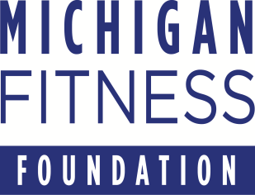
 | 2024

Budget Worksheets

Request for Proposals (RFP) for Subrecipients

SNAP-Ed at Michigan Fitness Foundation (MFF)
Fiscal Year 2024
(October 1, 2023 – September 30, 2024)

[Organization Name]
The name of the applying agency has been inserted above and it will autofill on subsequent worksheets

Refer to the 'Budget Worksheet Instructions' for information on how to complete the budget worksheets.
Carefully read all instructions.

This institution is an equal opportunity provider.

